Data Review
Site | Agency | X | Y | Num. Vars | Start Date | End Date | Total Samples at Site | COND | ECLOI | ENT | FC | SAL | SED_GS_u22_9 | SED_GS_u69_1 | SED_ISO_C | SED_ISO_N | SED_MET_Fe | SED_MET_P | TEMP | WQ_CAR_PH | WQ_DIAG_ISO_del13CDOC_ppt | WQ_DIAG_ISO_del15NNOx | WQ_DIAG_ISO_del15NNOx_ppt | WQ_DIAG_ISO_del18ONOx | WQ_DIAG_OXY_SAT | WQ_DIAG_PHY_TCHLA | WQ_DIAG_PHY_TCHLA_EXO | WQ_DIAG_TOT_TDN | WQ_DIAG_TOT_TDP | WQ_DIAG_TOT_TKN | WQ_DIAG_TOT_TN | WQ_DIAG_TOT_TOC | WQ_DIAG_TOT_TON | WQ_DIAG_TOT_TP | WQ_DIAG_TOT_TSS | WQ_DIAG_TOT_TSS_MINERAL | WQ_DIAG_TOT_TSS_ORGANIC | WQ_DIAG_TOT_TURBIDITY | WQ_DIAG_TOT_TURBIDITY_EXO | WQ_NCS_SS1 | WQ_NIT_AMM | WQ_NIT_AMM_GREY | WQ_NIT_NIT | WQ_NIT_NITRITE | WQ_NIT_NITRITE_GREY | WQ_NIT_NIT_GREY | WQ_OGM_DOC | WQ_OGM_DON | WQ_OGM_DOP | WQ_OGM_PON | WQ_OGM_fDOM | WQ_OXY_OXY | WQ_OXY_SAT | WQ_PHS_FRP | WQ_PHY_BGA_PE | WQ_SIL_RSI | spCOND
NC2 | SWC | 309001.66 | 6282385.53 | 10 | 2005-01-10 | 2010-08-12 | 1410 |  |  | x | x |  |  |  |  |  |  |  | x |  |  |  |  |  |  | x |  |  |  |  | x |  |  | x |  |  |  |  |  |  | x |  | x |  |  |  |  |  |  |  |  | x |  | x
NC517 | SWC | 307503.02 | 6273091.29 | 10 | 2007-08-15 | 2018-12-31 | 2640 |  |  | x | x |  |  |  |  |  |  |  | x |  |  |  |  |  |  | x |  |  |  |  | x |  |  | x |  |  |  |  |  |  | x |  | x |  |  |  |  |  |  |  |  | x |  | x
NCB280 | SWC | 307101.5 | 6272698.42 | 7 | 2007-08-15 | 2010-08-12 | 609 |  |  |  |  |  |  |  |  |  |  |  | x |  |  |  |  |  |  | x |  |  |  |  | x |  |  | x |  |  |  |  |  |  | x |  | x |  |  |  |  |  |  |  |  | x
NC5 | SWC | 308096.91 | 6273756.69 | 10 | 2018-03-08 | 2018-10-04 | 100 |  |  | x | x |  |  |  |  |  |  |  | x |  |  |  |  |  |  | x |  |  |  |  | x |  |  | x |  |  |  |  |  |  | x |  | x |  |  |  |  |  |  |  |  | x |  | x
NC75 | SWC | 313130.78 | 6268038.57 | 10 | 2018-03-08 | 2018-12-31 | 150 |  |  | x | x |  |  |  |  |  |  |  | x |  |  |  |  |  |  | x |  |  |  |  | x |  |  | x |  |  |  |  |  |  | x |  | x |  |  |  |  |  |  |  |  | x |  | x
NC8 | SWC | 313049.55 | 6267689.63 | 10 | 2018-03-08 | 2018-12-31 | 150 |  |  | x | x |  |  |  |  |  |  |  | x |  |  |  |  |  |  | x |  |  |  |  | x |  |  | x |  |  |  |  |  |  | x |  | x |  |  |  |  |  |  |  |  | x |  | x
ww_Cattai_Creek_D | SWC-ww | 307958.6126 | 6280351.4556 | 19 | 2018-11-29 | 2018-11-29 | 19 | x |  |  |  | x |  |  |  |  |  |  | x | x |  |  |  |  | x | x |  |  |  |  | x |  |  | x | x |  |  | x |  |  | x | x | x | x | x | x |  |  |  |  |  | x |  | x |  | x

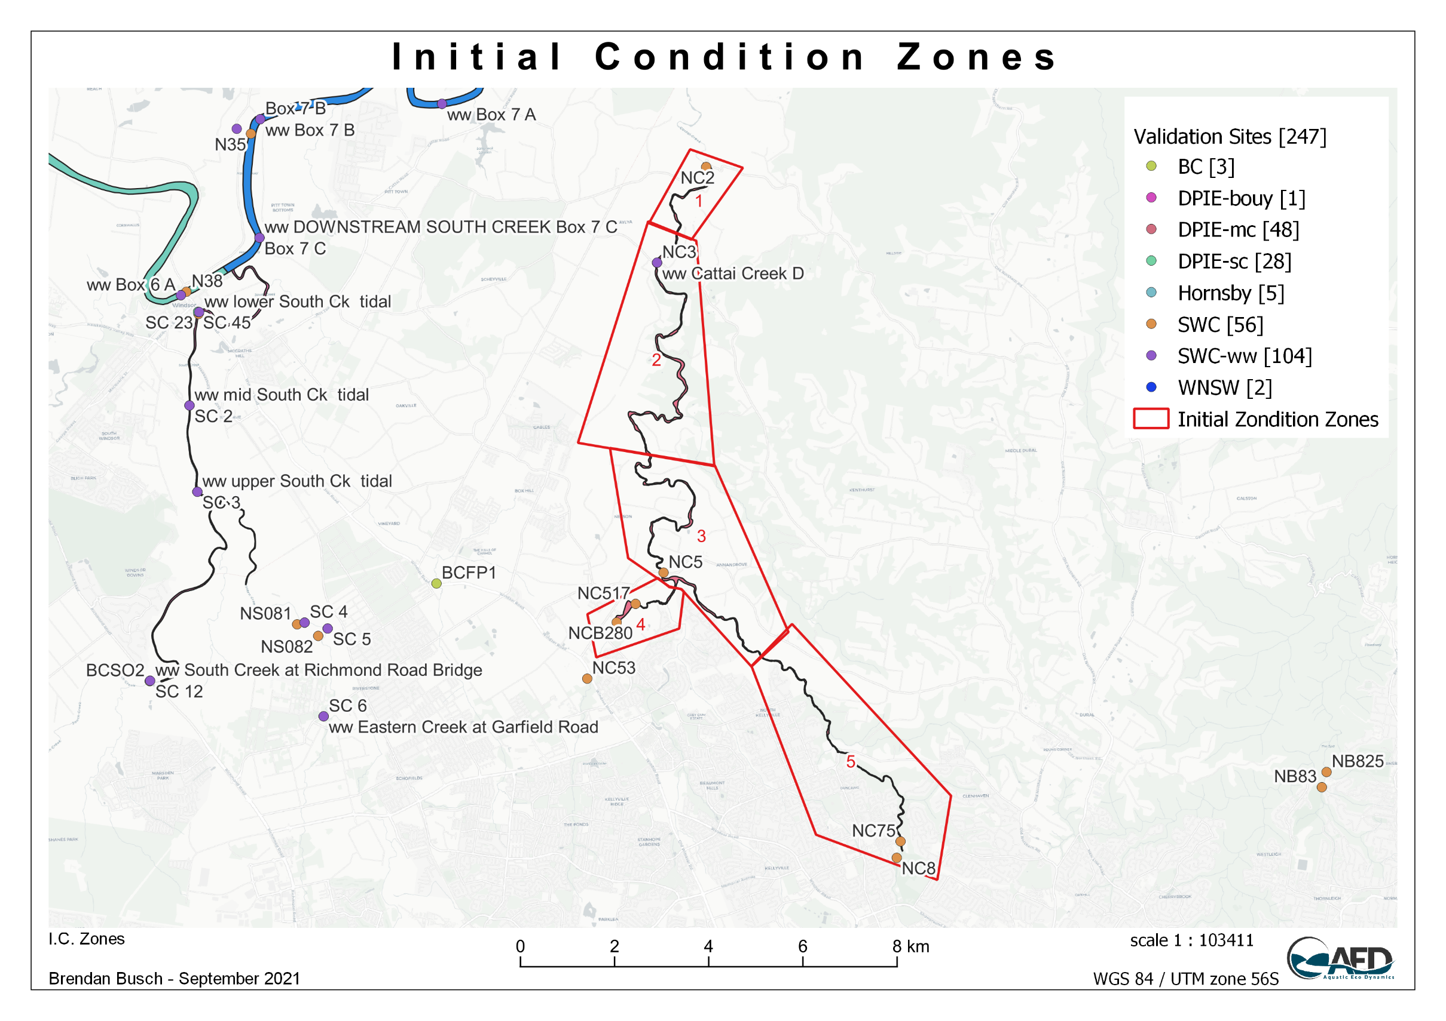

Var | Zone 1 | Zone 2 | Zone 3 | Zone 4 | Zone 5
SAL | 0.2 | 0.2 | 0.2 | 0.2 | 0.2
TEMP | 14.5 | 14.5 | 14.5 | 14.5 | 14.5
WQ_NCS_SS1 | 10.4 | 10.4 | 10.4 | 10.4 | 10.4
WQ_OXY_OXY | 251 | 268 | 295 | 251 | 285
WQ_SIL_RSI | 254.8043 | 288 | 288 | 254.8043 | 288
WQ_NIT_AMM | 2.5 | 2.2 | 11 | 3.5 | 4.6
WQ_NIT_NIT | 150 | 179 | 371 | 105 | 172
WQ_PHS_FRP | 0.7 | 1.4 | 0.51 | 0.423 | 0.845
WQ_PHS_FRP_ADS | 0.07 | 0.14 | 0.051 | 0.0423 | 0.0845
WQ_OGM_DOC | 208.33333333 | 208.33333333 | 208.33333333 | 208.33333333 | 208.33333333
WQ_OGM_POC | 208.33333333 | 208.33333333 | 208.33333333 | 208.33333333 | 208.33333333
WQ_OGM_DON | 20.25 | 19.9 | 16 | 36.75 | 11.7
WQ_OGM_PON | 20.25 | 19.9 | 16 | 36.75 | 11.7
WQ_OGM_DOP | 0.548 | 0.115 | 0.2895 | 0.56735 | 0.28525
WQ_OGM_POP | 0.548 | 0.115 | 0.2895 | 0.56735 | 0.28525
WQ_PHY_GRN | 4.7187503775 | 3.62500029 | 2.0833335 | 13.471146911 | 2.12500017
WQ_PHY_BGA | 4.7187503775 | 3.62500029 | 2.0833335 | 13.471146911 | 2.12500017
WQ_PHY_FDIAT | 4.7187503775 | 3.62500029 | 2.0833335 | 13.471146911 | 2.12500017
WQ_PHY_MDIAT | 4.7187503775 | 3.62500029 | 2.0833335 | 13.471146911 | 2.12500017
WQ_TRC_AGE | 0 | 0 | 0 | 0 | 0
ECLOI | 0 | 0 | 0 | 0 | 0
FC | 585 | 585 | 573 | 270 | 637
ENT | 930 | 930 | 490 | 560 | 1024

Var | Zone 1 | Zone 2 | Zone 3 | Zone 4 | Zone 5
TN | 193 | 221 | 414 | 182 | 200
TP | 1.866 | 1.77 | 1.14 | 1.6 | 1.5
TCHLA | 4.53 | 3.48 | 2 | 12.9323 | 2.04

Data Plots
